Figure 1
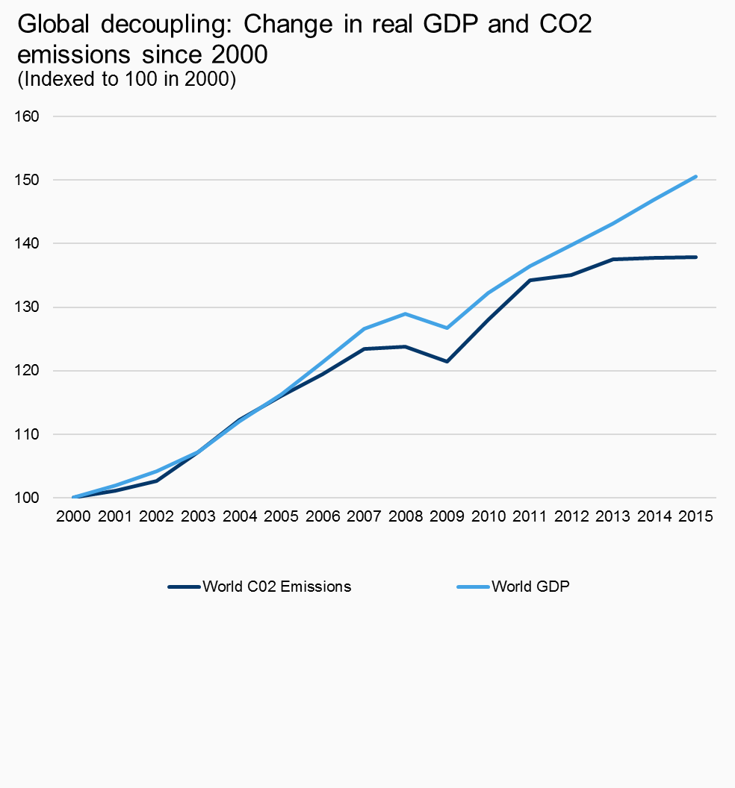
Title
Enter your title here
Global decoupling: Change in real GDP and CO2 emissions since 2000

Sub-Title
Enter your sub title here
(Indexed to 100 in 2000)

Source
Enter your source here
Source: IEA, "Energy Related C02 Emissions" and International Monetary Fund, World Economic Outlook Database, April 2016

 | World C02 Emissions | World GDP
2000 | 100 | 100
2001 | 101.11492281 | 101.96596446
2002 | 102.65866209 | 104.19041932
2003 | 107.16123499 | 107.20788734
2004 | 112.26415094 | 111.99011822
2005 | 115.9948542 | 116.27227715
2006 | 119.46826758 | 121.36836665
2007 | 123.41337907 | 126.59358963
2008 | 123.79931389 | 128.92738505
2009 | 121.44082333 | 126.76297022
2010 | 127.95883362 | 132.27393919
2011 | 134.17667238 | 136.41380188
Source: IEA, "Energy Related C02 Emissions" and International Monetary Fund, World Economic Outlook Database, April 2016
2012 | 135.03430532 | 139.79161539
2013 | 137.52144082 | 143.14333224
2014 | 137.7787307 | 146.90798409
2015 | 137.82161235 | 150.53136197

Figure 2
Title
Enter your title here
U.S. decoupling: Change in real GDP and CO2 emissions since 2000

Sub-Title
Enter your sub title here
(Indexed to 100 in 2000)

Source
Enter your source here
Source: EIA's "Monthly Energy Review" and BEA's "Real GDP" database

 | GDP | Energy C02 Emissions
1990 | 100 | 100 | 71.299473714 | 85.868106279
1991 | 99.926298157 | 99.08657783 | 71.246924688 | 85.08376796
1992 | 103.47962032 | 100.96026026 | 73.780424692 | 86.69266358
1993 | 106.32049135 | 102.89770997 | 75.805950779 | 88.35631496
1994 | 110.61306533 | 104.42076166 | 78.866533436 | 89.664130599
1995 | 113.62144054 | 105.63898866 | 81.011489128 | 90.710199057
1996 | 117.93411502 | 109.3509868 | 84.086403338 | 93.897621558
1997 | 123.22613065 | 110.82462032 | 87.859582633 | 95.163002763
1998 | 128.70910106 | 111.84479762 | 91.768911678 | 96.039009686
1999 | 134.73925181 | 112.88293613 | 96.068377429 | 96.930439566
2000 | 140.25348967 | 116.45767484 | 100 | 100
2001 | 141.62144054 | 114.34257777 | 100.97534177 | 98.183806202
Source: EIA's "Monthly Energy Review" and BEA's "Real GDP" database
2002 | 144.15187046 | 115.19806757 | 102.77952499 | 98.918399094
2003 | 148.19765494 | 116.17192279 | 105.66414803 | 99.754630125
2004 | 153.80792853 | 118.48816564 | 109.66424357 | 101.743544
2005 | 158.95254048 | 118.94725832 | 113.33232482 | 102.13775819
2006 | 163.19151312 | 117.29351646 | 116.35469 | 100.71772137
2007 | 166.09380235 | 119.09144423 | 118.42400694 | 102.2615679
2008 | 165.61027359 | 115.28815151 | 118.07925349 | 98.995752466
2009 | 161.01284199 | 106.88601315 | 114.80130895 | 91.780995372
2010 | 165.08989391 | 110.78212865 | 117.70822551 | 95.126515966
2011 | 167.73422669 | 108.05891041 | 119.59362087 | 92.788140036
2012 | 171.4639866 | 103.83697248 | 122.25292005 | 89.162841887
2013 | 174.01786711 | 106.38716763 | 124.07382342 | 91.35264617
2014 | 178.24343942 | 107.39244009 | 127.08663423 | 92.215854595
2015 | 182.56728085 | 104.43618251 | 130.16951042 | 89.677372187

 | 0.30169510418 | -0.10322627813

Figure 5
Title
Enter your title here
Carbon emissions are declining due to less coal use at power plants

Carbon emissions are declining due to less coal use at power plants
(% change in CO2 emissions and coal generation share, 2000 - 2014)
Sub-Title
Enter your sub title here
(% change in CO2 emissions and coal generation share, 2000 - 2014)

Source
Enter your source here
Source: EIA's "Net Generation by State by Type of Producer by Energy Source" and EPA's "State Energy CO2 Emissions, 1990-2014".

State | CO2 | Coal Generation Share
AL | -14.50% | -49.17%
AK | -21.55% | 5.59%
AZ | 7.91% | -17.53%
AR | 7.87% | -2.08%
CA | -5.94% | -64.36%
CO | 7.46% | -24.56%
CT | -18.12% | -74.65%
DE | -19.77% | -83.64%
DC | -30.23% | 0.00%
FL | -5.20% | -40.32%
GA | -17.81% | -44.33%
HI | -3.18% | -0.62%
ID | 6.02% | -13.80%
IL | -0.05% | -6.38%
IN | -14.71% | -11.05%
IA | 7.23% | -29.71%
KS | -8.53% | -20.29%
KY | -5.60% | -5.02%
Source: EIA's "Net Generation by State by Type of Producer by Energy Source" and EPA's "State Energy CO2 Emissions, 1990-2014".
LA | -9.96% | -27.09%
ME | -25.35% | -87.09%
MD | -19.71% | -19.20%
MA | -22.33% | -68.84%
MI | -16.69% | -24.40%
MN | -3.90% | -25.26%
MS | 3.59% | -47.18%
MO | 4.33% | 0.38%
MT | 2.69% | -15.93%
NE | 24.41% | -0.32%
NV | -18.38% | -65.91%
NH | -14.70% | -74.57%
NJ | -7.75% | -78.69%
NM | -13.58% | -26.25%
NY | -19.99% | -81.51%
NC | -15.67% | -38.14%
ND | 8.89% | -19.08%
OH | -13.89% | -23.12%
OK | 4.19% | -33.57%
OR | -8.13% | -27.68%
PA | -12.68% | -37.99%
RI | -9.03% | 0.00%
SC | -8.84% | -29.15%
SD | 7.61% | -35.38%
TN | -19.64% | -30.50%
TX | 8.70% | -9.08%
UT | -1.01% | -19.09%
VT | -12.29% | 0.00%
VA | -15.86% | -47.61%
WA | -11.61% | -33.80%
WV | -15.50% | -2.63%
WI | -6.79% | -13.53%
WY | 3.27% | -8.80%
US | -8.65% | -24.81%

Figure 6
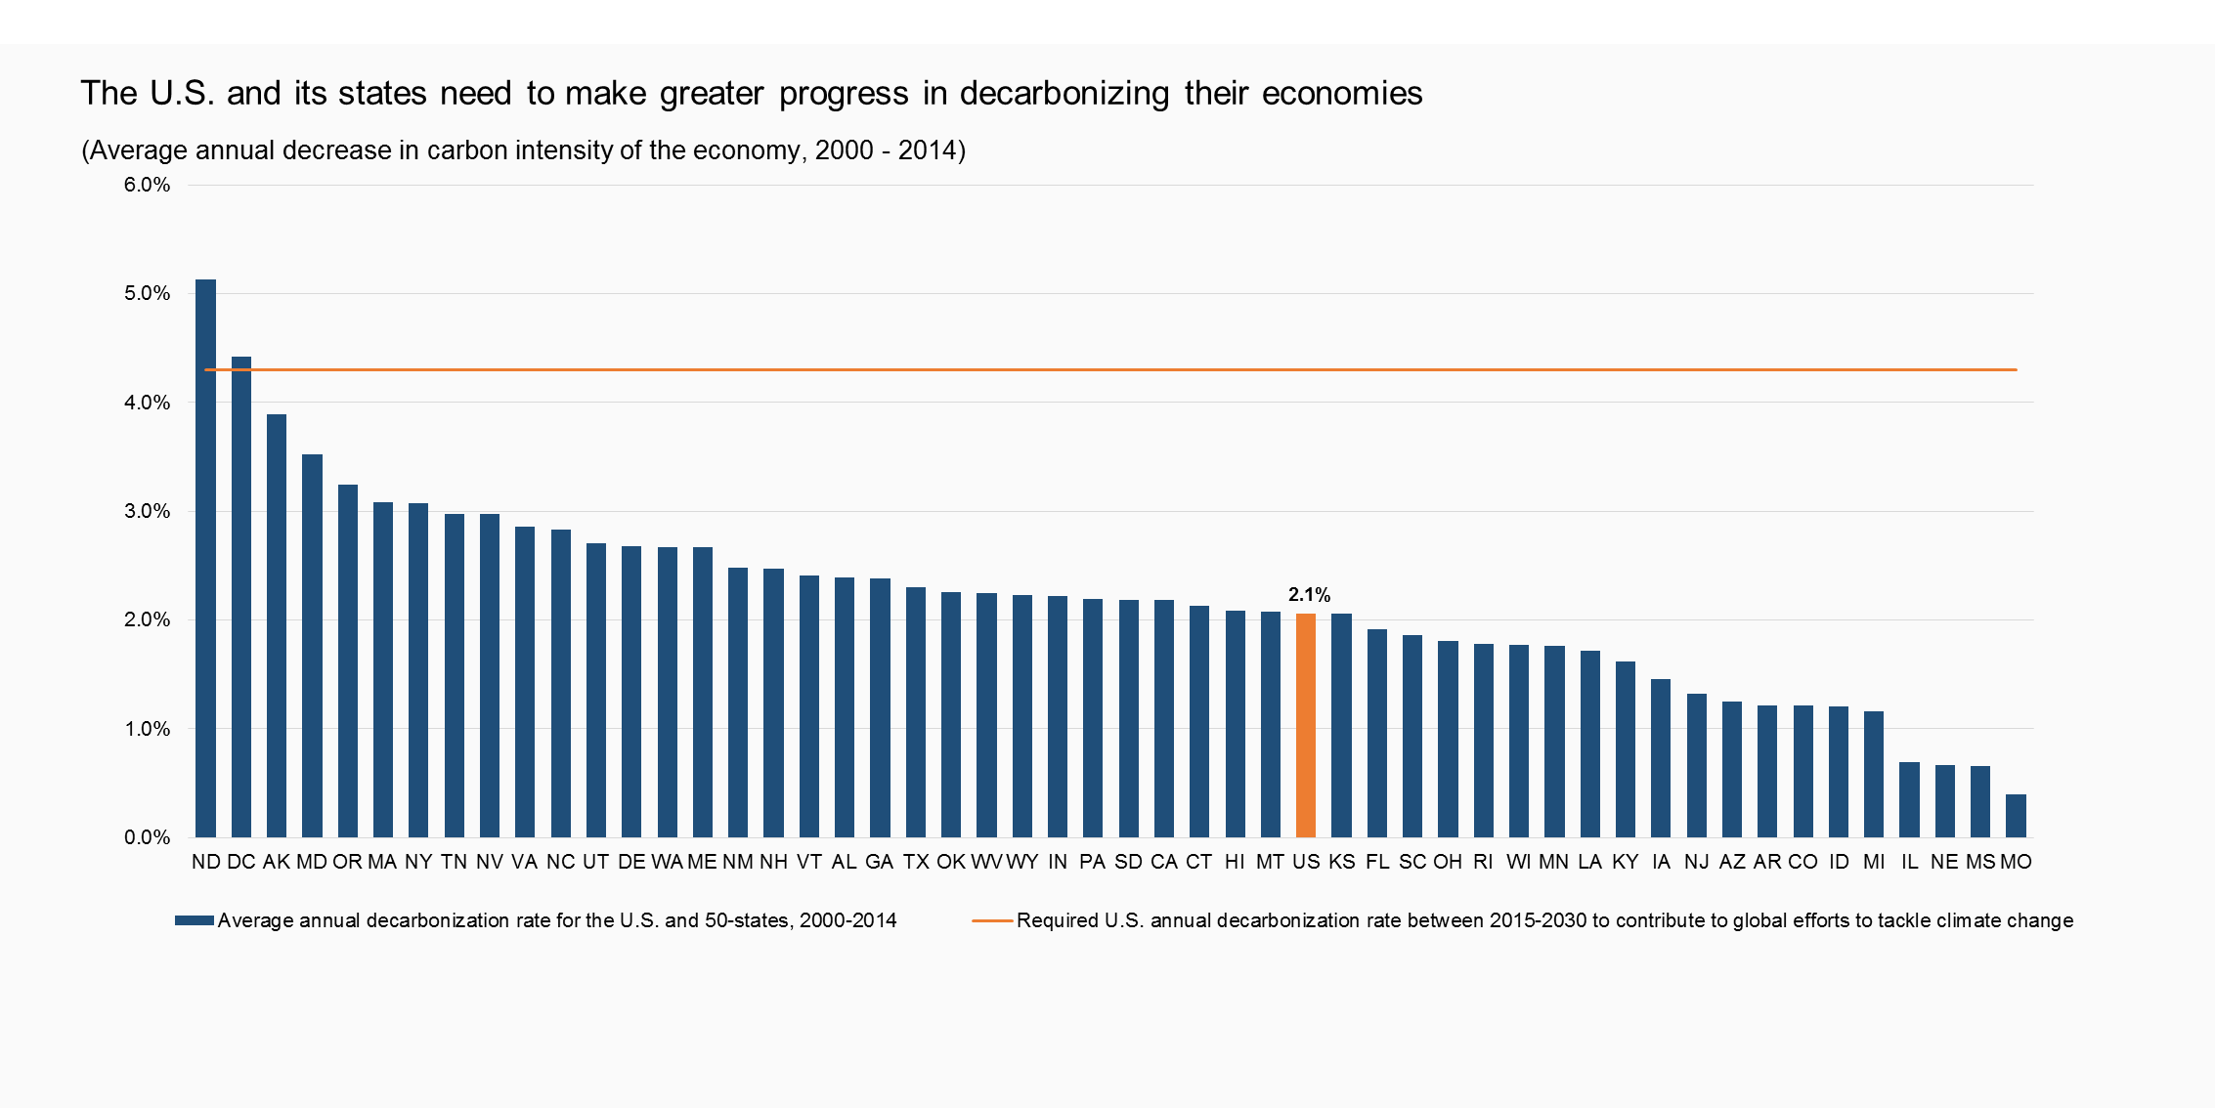
The U.S. and its states need to make greater progress in decarbonizing their economies
(Average annual decrease in carbon intensity of the economy, 2000 - 2014)
Title
Enter your title here
The U.S. and its states need to make greater progress in decarbonizing their economies

Sub-Title
Enter your sub title here
(Average annual decrease in carbon intensity of the economy, 2000 - 2014)

Data
 | Average annual decarbonization rate for the U.S. and 50-states, 2000-2014 | Required U.S. annual decarbonization rate between 2015-2030 to contribute to global efforts to tackle climate change
ND | 5.1% | 4.30%
DC | 4.4% | 4.30%
AK | 3.9% | 4.30%
MD | 3.5% | 4.30%
OR | 3.2% | 4.30%
MA | 3.1% | 4.30%
NY | 3.1% | 4.30%
TN | 3.0% | 4.30%
NV | 3.0% | 4.30%
VA | 2.9% | 4.30%
NC | 2.8% | 4.30%
UT | 2.7% | 4.30%
DE | 2.7% | 4.30%
WA | 2.7% | 4.30%
ME | 2.7% | 4.30%
NM | 2.5% | 4.30%
NH | 2.5% | 4.30%
VT | 2.4% | 4.30%
AL | 2.4% | 4.30%
GA | 2.4% | 4.30%
TX | 2.3% | 4.30%
OK | 2.3% | 4.30%
Source: Brookings analysis of EIA State Energy-Related Carbon Dioxide Emissions by Year Dataset
WV | 2.2% | 4.30%
WY | 2.2% | 4.30%
IN | 2.2% | 4.30%
PA | 2.2% | 4.30%
SD | 2.2% | 4.30%
CA | 2.2% | 4.30%
CT | 2.1% | 4.30%
HI | 2.1% | 4.30%
MT | 2.1% | 4.30%
US | 2.1% | 4.30%
KS | 2.1% | 4.30%
FL | 1.9% | 4.30%
SC | 1.9% | 4.30%
OH | 1.8% | 4.30%
RI | 1.8% | 4.30%
WI | 1.8% | 4.30%
MN | 1.8% | 4.30%
LA | 1.7% | 4.30%
KY | 1.6% | 4.30%
IA | 1.5% | 4.30%
NJ | 1.3% | 4.30%
AZ | 1.3% | 4.30%
AR | 1.2% | 4.30%
CO | 1.2% | 4.30%
ID | 1.2% | 4.30%
MI | 1.2% | 4.30%
IL | 0.7% | 4.30%
NE | 0.7% | 4.30%
MS | 0.7% | 4.30%
MO | 0.4% | 4.30%

Source
Enter your source here
Source: Brookings analysis of EIA State Energy-Related Carbon Dioxide Emissions by Year Dataset

